2 Bloor Layout
Neighborhoods

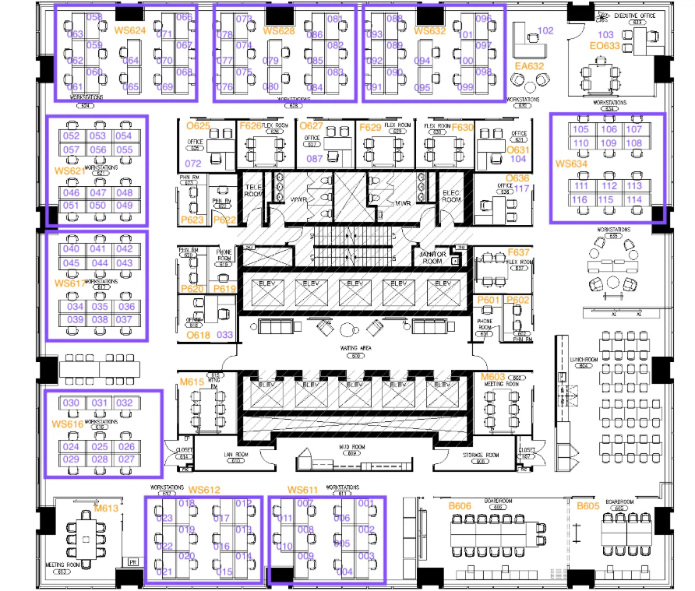
 | Neighborhood | # of Desks
 | M&A | 34
 | BD | 32
 | Finance | 33
 | Legal | 6
 | HR/Ops | 6

